Sheet1
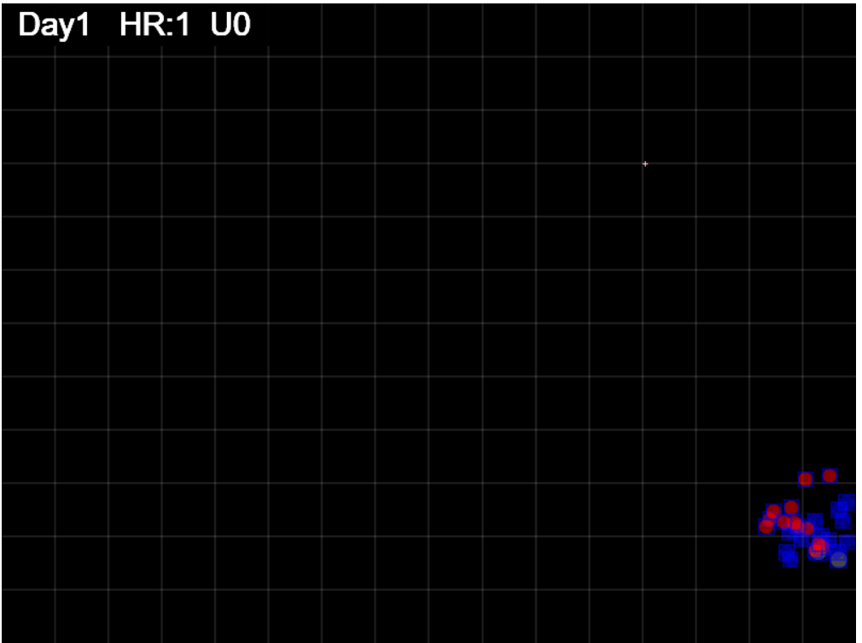
Gen = 25

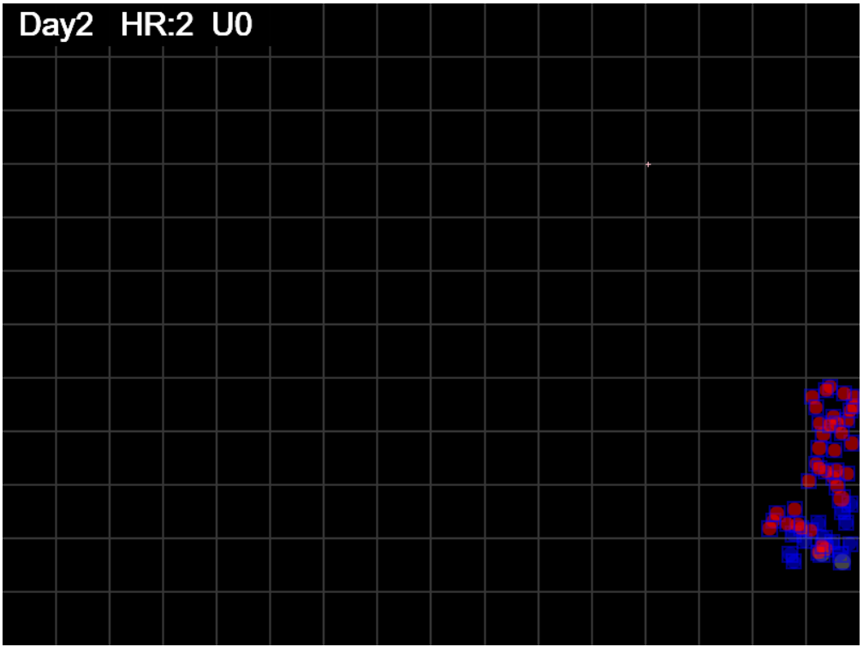
gen = 50

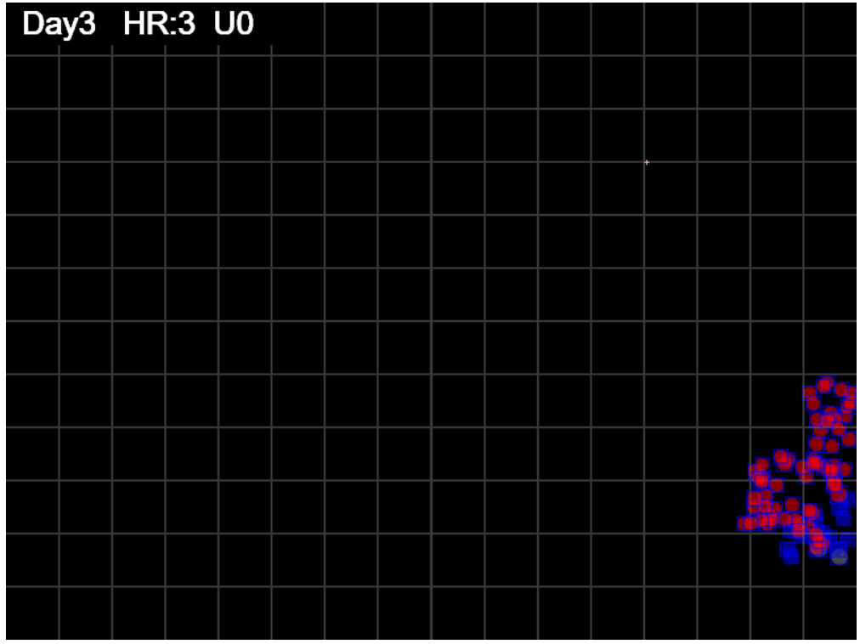
gen=75

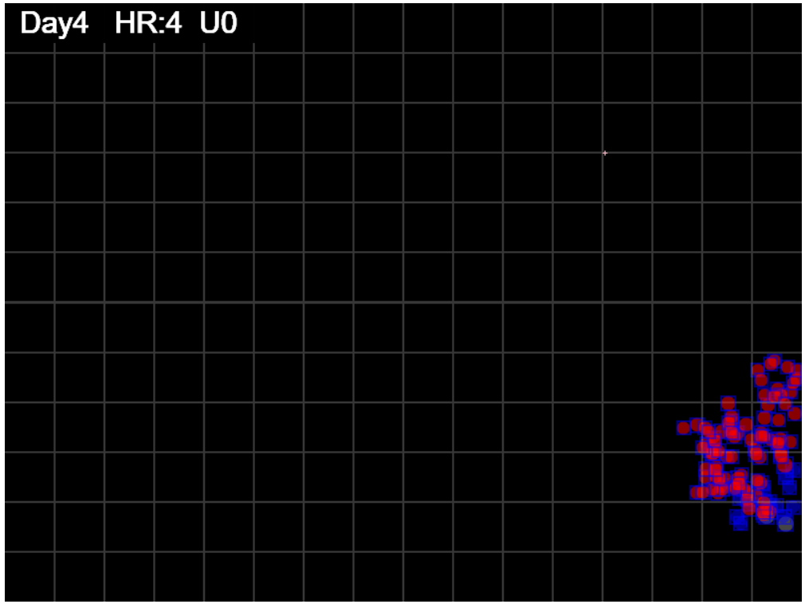
gen=100

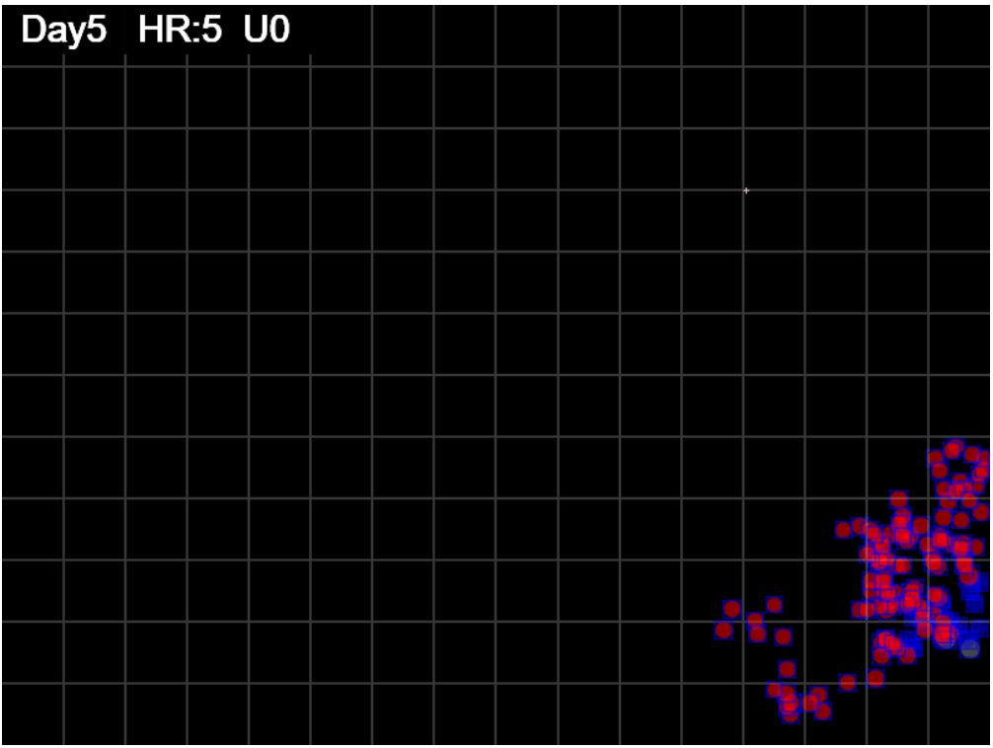
gen=125

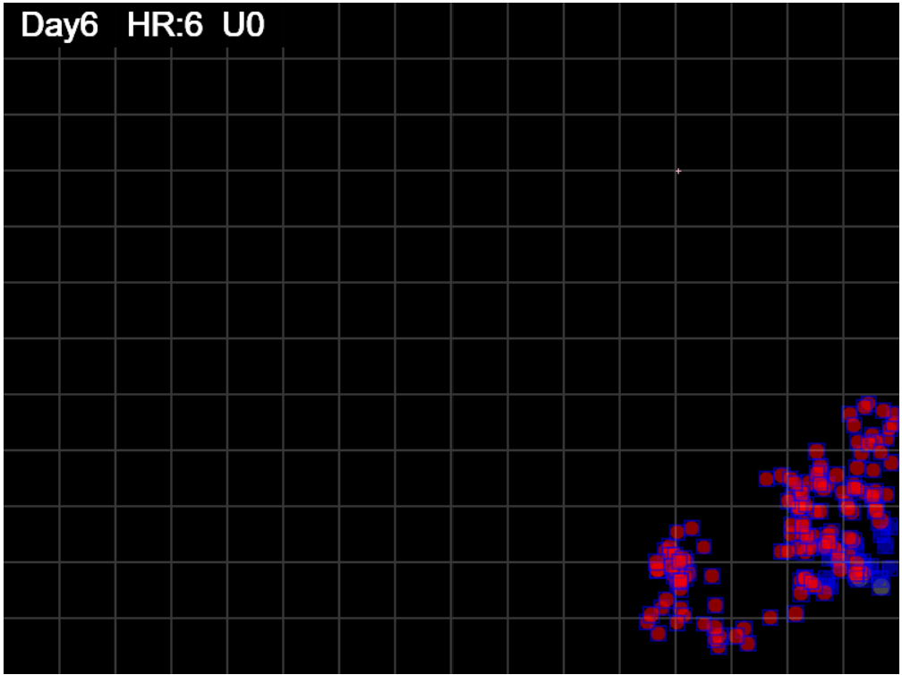
gen=150

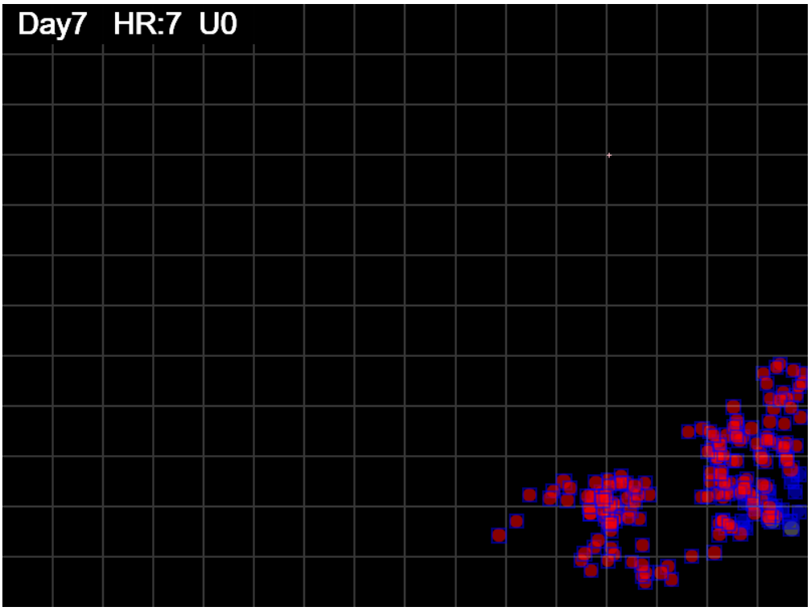

gen=175

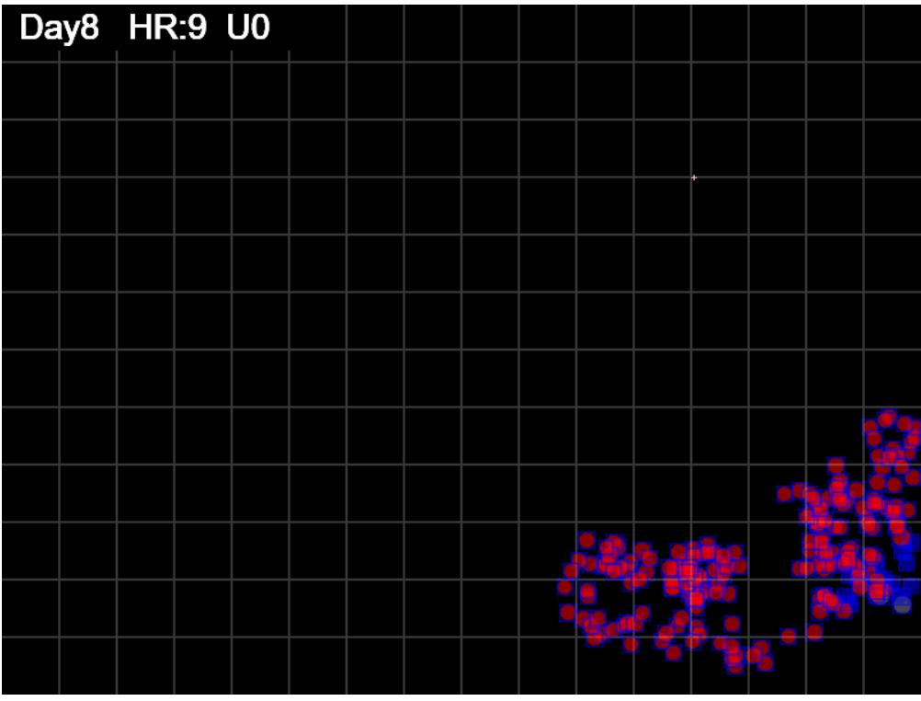
gen=200

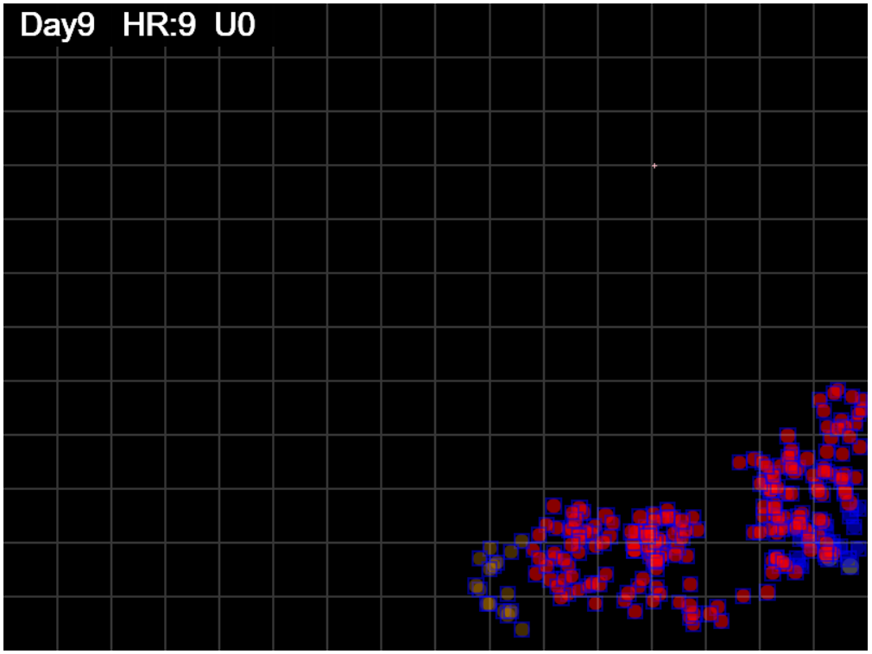
gen=225

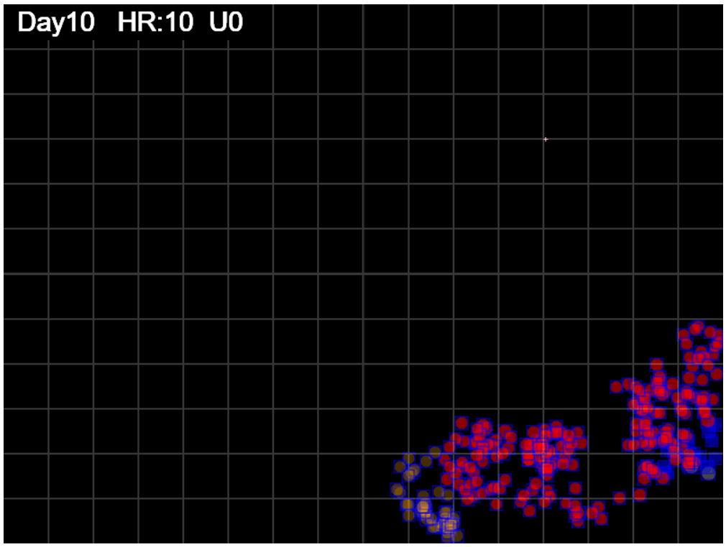
gen=250

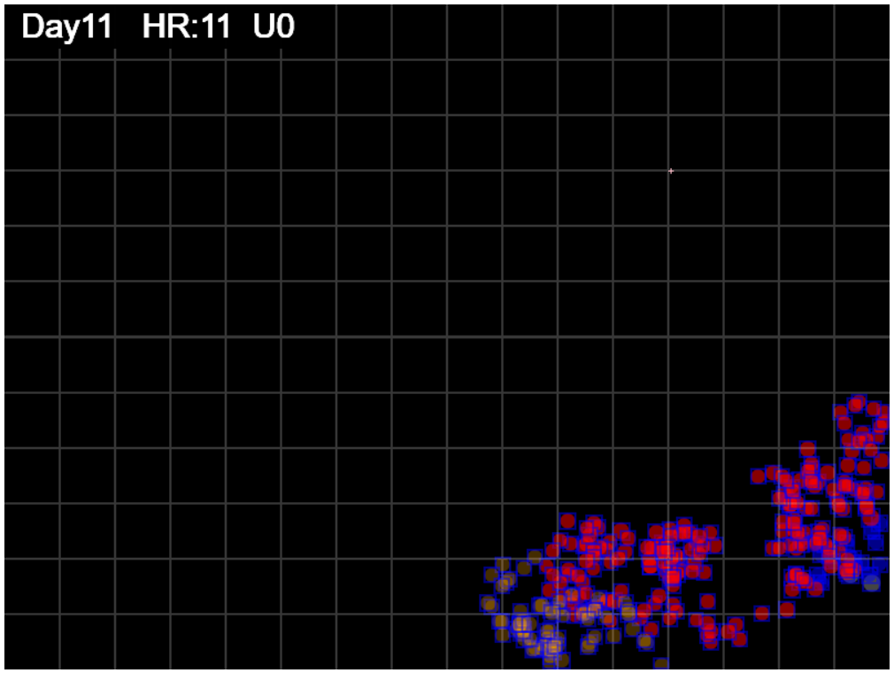
gen=275

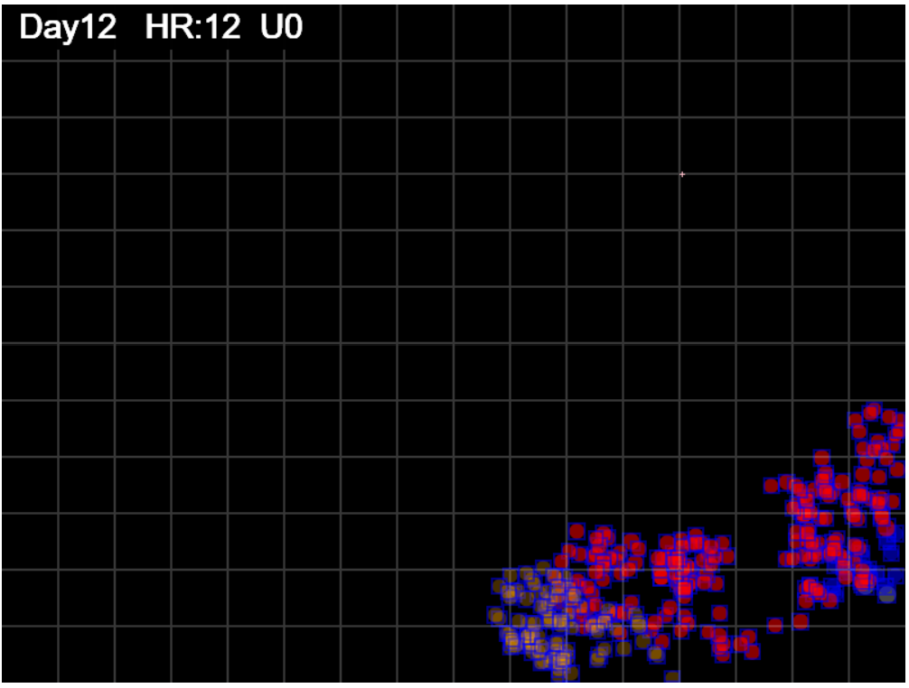
gen=300

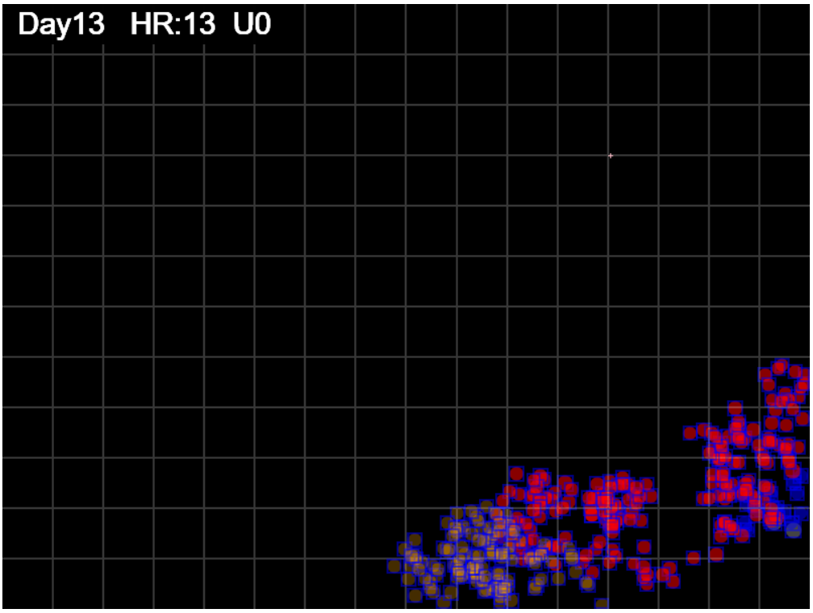
gen=325

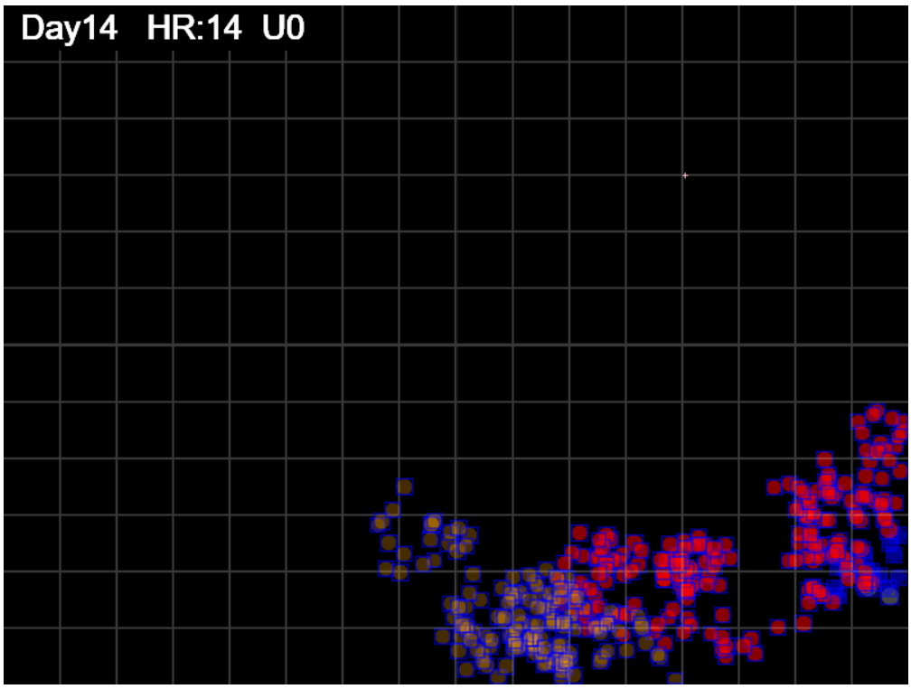
gen=350

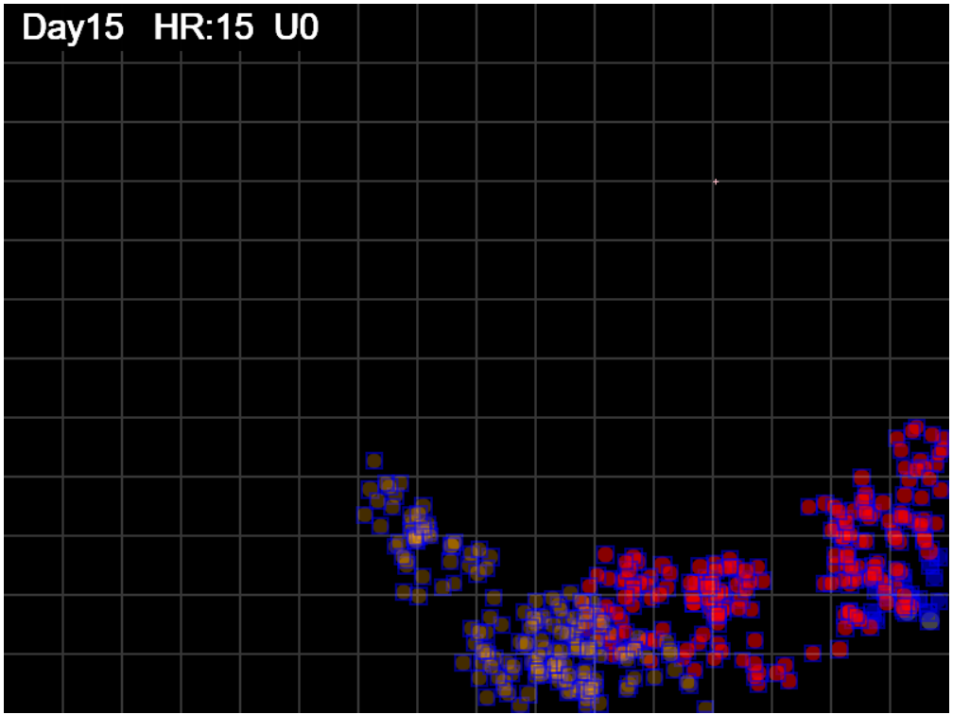
gen=375

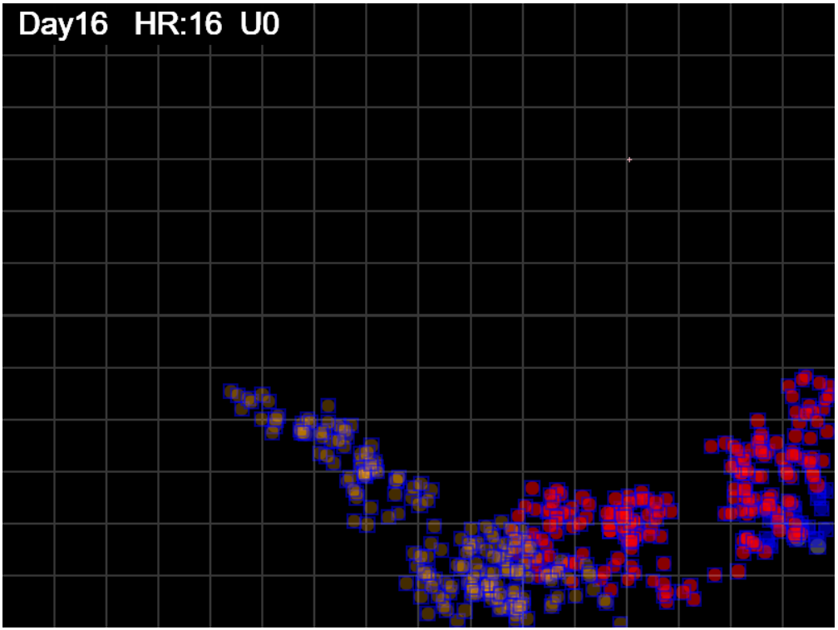
gen=400

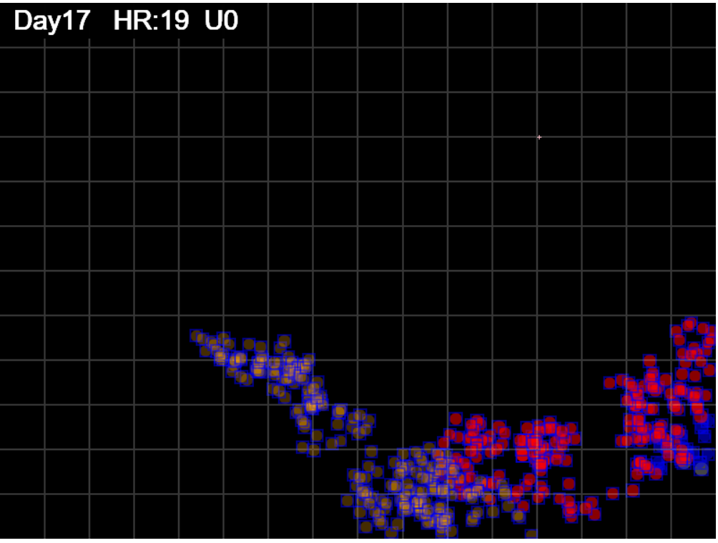
gen=427


gen=450

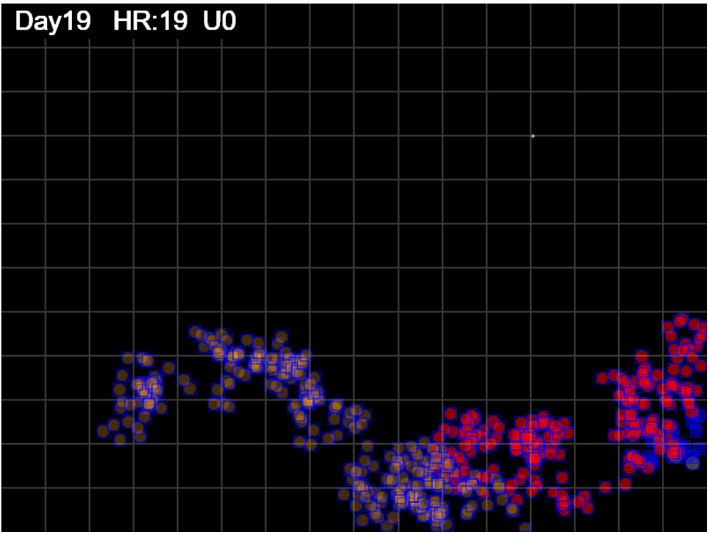
gen=475

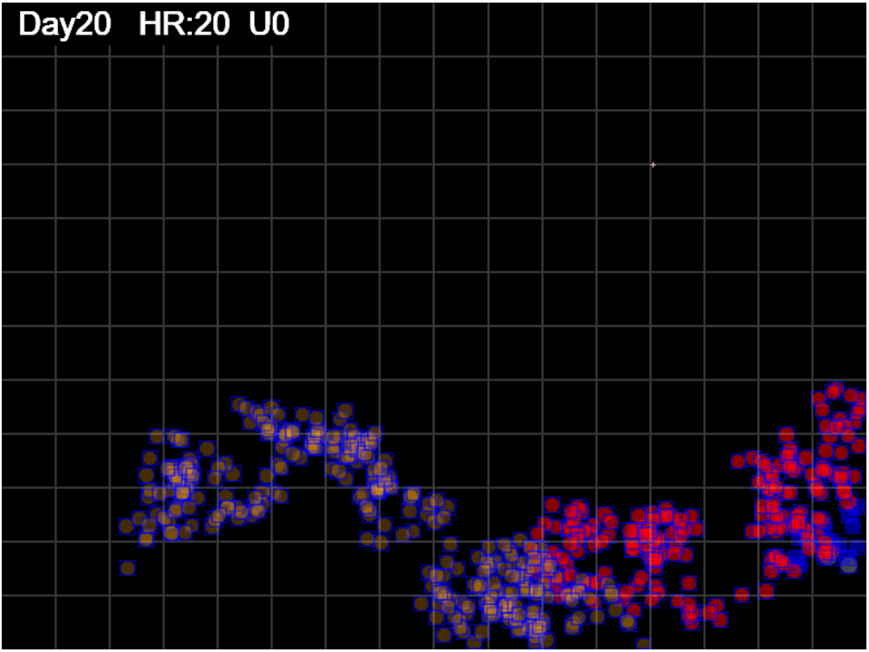
gen=500

Sheet3
 | Spread S
 | 0.44
 | 0.70
 | 0.65
 | 0.69
 | 1.22
 | 1.51
 | 1.35
 | 1.26
 | 2.22
 | 1.99
 | 1.84
 | 1.68
 | 1.70
 | 1.63
 | 1.60
 | 1.60
 | 1.56
 | 1.53
 | 1.48
 | 1.80
 | 1.79
 | 1.71
 | 1.68
 | 1.58
 | 2.13
 | 2.10
 | 2.11
 | 2.14
 | 2.19
 | 2.71
 | 2.84
 | 2.89
 | 2.77
 | 2.71
 | 2.78
 | 2.94
 | 3.21
 | 3.19
 | 3.10
 | 3.07
 | 2.97
 | 2.89
 | 2.89
 | 2.80
 | 2.73
 | 2.69
 | 2.38
 | 2.03
 | 1.80
...

higher = sparser, more spacing between individual prints or clusters
spread = territory/footprint

if this approaches 1, then footprint coers entire territroy
and is very tightly packed
as Spread index S increase -> more and more open spaces
so density will decrease

Spread is more visually sensitive than density
 | Coverage
 | 0.0003118575
 | 0.00071719166667
 | 0.00071719166667
 | 0.000976775
 | 0.00201226625
 | 0.0029702245833
 | 0.0029702245833
 | 0.0029702245833
 | 0.0059270041667
 | 0.0059270041667
 | 0.0059270041667
 | 0.0059270041667
 | 0.0062676108333
 | 0.0062676108333
 | 0.0062676108333
 | 0.0062676108333
 | 0.0062676108333
 | 0.0062676108333
 | 0.0062676108333
 | 0.0080625183333
 | 0.0084412191667
 | 0.0084412191667
 | 0.0084412191667
 | 0.0084412191667
 | 0.011877037083
 | 0.012382442917
 | 0.01289726625
 | 0.013427785417
 | 0.014416622917
 | 0.018739255417
 | 0.0202947125
 | 0.021300815417
 | 0.021300815417
 | 0.021300815417
 | 0.022268761667
 | 0.02381465
 | 0.0269542125
 | 0.02727875625
 | 0.02727875625
 | 0.02727875625
 | 0.02727875625
 | 0.02727875625
 | 0.02727875625
 | 0.02727875625
 | 0.02727875625
 | 0.02727875625
 | 0.02490787875
 | 0.0215702025
 | 0.01927106625
...

coverage = territory/Arena
higher = more of Arena covered

at 327 a spurt in territory - a tendril outshoot
looat at day 13 and day 14

I will output Gen instead of Day Hr

territory keeps growing - more outreach

 | Sector Count
 | 0
 | 0
 | 0
 | 0
 | 0
 | 0
 | 0
 | 0
 | 0
 | 2
 | 2
 | 2
 | 2
 | 2
 | 2
 | 2
 | 2
 | 2
 | 2
 | 2
 | 2
 | 2
 | 2
 | 2
 | 2
 | 3
 | 3
 | 3
 | 3
 | 3
 | 3
 | 3
 | 3
 | 3
 | 3
 | 3
 | 3
 | 3
 | 3
 | 3
 | 3
 | 4
 | 4
 | 4
 | 4
 | 4
 | 4
 | 4
 | 4
 | 4
...

shows growth in sectors
sectors are 50x50 so would show slower growth
than territory which is by pixel limits of the
bounding rectangle for the footprint

 | Density
 | 2.27
 | 1.42
 | 1.53
 | 1.45
 | 0.82
 | 0.66
 | 0.74
 | 0.79
 | 0.45
 | 0.50
 | 0.54
 | 0.60
 | 0.59
 | 0.61
 | 0.63
 | 0.63
 | 0.64
 | 0.65
 | 0.68
 | 0.56
 | 0.56
 | 0.59
 | 0.60
 | 0.63
 | 0.47
 | 0.48
 | 0.47
 | 0.47
 | 0.46
 | 0.37
 | 0.35
 | 0.35
 | 0.36
 | 0.37
 | 0.36
 | 0.34
 | 0.31
 | 0.31
 | 0.32
 | 0.33
 | 0.34
 | 0.35
 | 0.35
 | 0.36
 | 0.37
 | 0.37
 | 0.42
 | 0.49
 | 0.55
...

density = footprint/terriotry
lower = sparser

 | SectorCover
 | 0.000
 | 0.000
 | 0.000
 | 0.000
 | 0.000
 | 0.000
 | 0.000
 | 0.000
 | 0.000
 | 0.010
 | 0.010
 | 0.010
 | 0.010
 | 0.010
 | 0.010
 | 0.010
 | 0.010
 | 0.010
 | 0.010
 | 0.010
 | 0.010
 | 0.010
 | 0.010
 | 0.010
 | 0.010
 | 0.016
 | 0.016
 | 0.016
 | 0.016
 | 0.016
 | 0.016
 | 0.016
 | 0.016
 | 0.016
 | 0.016
 | 0.016
 | 0.016
 | 0.016
 | 0.016
 | 0.016
 | 0.016
 | 0.021
 | 0.021
 | 0.021
 | 0.021
 | 0.021
 | 0.021
 | 0.021
 | 0.021
 | 0.021
...

 | sector cover is sector/total sectors which is just
 | scaled by 192
 | so the shape is essentially the same

